Sales
2022-06-01 | 6/1/2022 | 6/2/2022 | 6/3/2022 | 6/4/2022 | 6/5/2022 | 6/6/2022 | 6/7/2022 | 6/8/2022 | 6/9/2022 | 6/10/2022 | 6/11/2022 | 6/12/2022 | 6/13/2022 | 6/14/2022 | 6/15/2022 | 6/16/2022 | 6/17/2022 | 6/18/2022 | 6/19/2022 | 6/20/2022 | 6/21/2022 | 6/22/2022 | 6/23/2022 | 6/24/2022 | 6/25/2022 | 6/26/2022 | 6/27/2022 | 6/28/2022 | 6/29/2022 | 6/30/2022
 | WED | THU | FRI | SAT | SUN | MON | TUE | WED | THU | FRI | SAT | SUN | MON | TUE | WED | THU | FRI | SAT | SUN | MON | TUE | WED | THU | FRI | SAT | SUN | MON | TUE | WED | THU
Weekend Work |  |  |  |  |  |  |  |  |  |  | Peter | Peter |  |  |  |  |  | Gaja | Gaja |  |  |  |  |  | Peter | Peter
Notes | Lead Gen Campaign Live |  | Fathers Day Campaign
 |  |  |  |  |  | Started TikTok advertising in US & CA |  |  |  |  |  |  |  |  |  |  | Comments turned off for TikTok Ads |  |  |  |  | Changed shipping date from Autumn to 2023, special offer from Summer to Christmas 2022

Shopify | $16,551.93 | $13,842.44 | $17,923.02 | $27,273.62 | $31,011.44 | $31,806.42 | $24,878.67 | $26,917.42 | $29,591.37 | $25,525.13 | $33,120.11 | $25,644.88 | $27,066.97 | $24,313.52 | $30,080.25 | $31,840.34 | $33,705.73 | $41,276.04 | $43,928.66 | $31,125.20 | $16,098.76 | $11,369.08 | $8,125.18 | $11,314.42 | $8,774.29 | $8,001.41 | $6,168.26 | $6,096.99 | $8,630.44 | $4,477.47
Total Revenue | $16,551.93 | $13,842.44 | $17,923.02 | $27,273.62 | $31,011.44 | $31,806.42 | $24,878.67 | $26,917.42 | $29,591.37 | $25,525.13 | $33,120.11 | $25,644.88 | $27,066.97 | $24,313.52 | $30,080.25 | $31,840.34 | $33,705.73 | $41,276.04 | $43,928.66 | $31,125.20 | $16,098.76 | $11,369.08 | $8,125.18 | $11,314.42 | $8,774.29 | $8,001.41 | $6,168.26 | $6,096.99 | $8,630.44 | $4,477.47
Orders | 58 | 47 | 60 | 91 | 109 | 111 | 87 | 94 | 103 | 89 | 113 | 89 | 98 | 86 | 105 | 113 | 118 | 144 | 158 | 108 | 55 | 38 | 26 | 32 | 26 | 24 | 21 | 21 | 23 | 14

FB - US & CA | $5,398.95 | $5,637.48 | $6,787.68 | $8,050.23 | $9,755.29 | $9,733.69 | $10,594.12 | $10,103.58 | $9,089.32 | $7,680.00 | $8,305.97 | $7,861.87 | $7,097.84 | $6,495.18 | $8,115.77 | $9,733.45 | $9,567.25 | $10,374.35 | $12,502.22 | $10,026.17 | $5,966.40 | $4,552.49 | $3,599.83 | $3,079.95 | $2,761.30 | $2,666.13 | $2,685.63 | $2,687.43 | $2,155.04 | $1,619.86
Google - WW | $449.17 | $507.46 | $467.22 | $553.51 | $589.27 | $479.36 | $467.07 | $528.68 | $475.81 | $459.36 | $594.81 | $546.07 | $526.00 | $510.00 | $493.00 | $453.00 | $449.00 | $492.00 | $544.00 | $409.00 | $381.00 | $432.00 | $423.00 | $370.65 | $255.53 | $277.00 | $251.00 | $223.00 | $180.00 | $196.00
Bing - WW | $27.35 | $20.96 | $33.01 | $17.89 | $22.73 | $28.10 | $27.43 | $38.39 | $44.53 | $26.98 | $27.93 | $25.54 | $36.54 | $24.81 | $26.46 | $47.19 | $30.46 | $19.30 | $37.79 | $35.04 | $29.44 | $26.01 | $27.90 | $19.45 | $15.31 | $15.03 | $19.10 | $11.96 | $16.04 | $12.94
TikTok - US & CA |  |  |  |  |  | $271.57 | $346.88 | $530.45 | $400.00 | $400.00 | $600.00 | $572.38 | $300.00 | $785.25 | $969.93 | $842.00 | $696.73 | $697.34 | $699.96 | $520.65 | $686.83 | $695.69 | $790.22 | $299.68 | $0.00 | $0.00 | $0.00 | $0.00 | $0.00 | $0.00
Affiliate Fees - US | $0.00 | $0.00 | $0.00 | $0.00 | $0.00 | $224.13 | $41.80 | $0.00 | $93.27 | $59.85 | $58.33 | $180.88 | $258.55 | $251.75 | $304.12 | $44.57 | $49.15 | $62.96 | $153.57 | $49.15 | $0.00 | $0.00 | $0.00 | $0.00 | $0.00 | $0.00 | $0.00 | $0.00 | $0.00 | $0.00
Total Spend | $5,875.47 | $6,165.90 | $7,287.91 | $8,621.63 | $10,367.29 | $10,736.85 | $11,477.30 | $11,201.10 | $10,102.93 | $8,626.19 | $9,587.04 | $9,186.74 | $8,218.93 | $8,066.99 | $9,909.28 | $11,120.21 | $10,792.59 | $11,645.95 | $13,937.54 | $11,040.01 | $7,063.67 | $5,706.19 | $4,840.95 | $3,769.73 | $3,032.14 | $2,958.16 | $2,955.73 | $2,922.39 | $2,351.08 | $1,828.80

ROAS | 2.82 | 2.24 | 2.46 | 3.16 | 2.99 | 2.96 | 2.17 | 2.40 | 2.93 | 2.96 | 3.45 | 2.79 | 3.29 | 3.01 | 3.04 | 2.86 | 3.12 | 3.54 | 3.15 | 2.82 | 2.28 | 1.99 | 1.68 | 3.00 | 2.89 | 2.70 | 2.09 | 2.09 | 3.67 | 2.45
CAC | $101.30 | $131.19 | $121.47 | $94.74 | $95.11 | $96.73 | $131.92 | $119.16 | $98.09 | $96.92 | $84.84 | $103.22 | $83.87 | $93.80 | $94.37 | $98.41 | $91.46 | $80.87 | $88.21 | $102.22 | $128.43 | $150.16 | $186.19 | $117.80 | $116.62 | $123.26 | $140.75 | $139.16 | $102.22 | $130.63
CR | 0.99% | 0.77% | 1.12% | 1.45% | 1.48% | 1.27% | 0.97% | 1.16% | 1.41% | 1.38% | 1.57% | 1.13% | 1.44% | 1.10% | 1.28% | 1.19% | 1.35% | 1.62% | 1.47% | 1.23% | 0.80% | 0.62% | 0.63% | 0.99% | 0.85% | 0.74% | 0.65% | 0.76% | 0.95% | 0.67%
AOV | $285.38 | $294.52 | $298.72 | $299.71 | $284.51 | $286.54 | $285.96 | $286.36 | $287.29 | $286.80 | $293.10 | $288.14 | $276.19 | $282.72 | $286.48 | $281.77 | $285.64 | $286.64 | $278.03 | $288.20 | $292.70 | $299.19 | $312.51 | $353.58 | $337.47 | $333.39 | $293.73 | $290.33 | $375.24 | $319.82

Post-purchase Survey
Facebook / Instagram | 70.83% | 71.43% | 73.08% | 90.24% | 77.36% | 76.32% | 96.97% | 81.08% | 74.42% | 71.88% | 68.42% | 76.32% | 78.95% | 67.65% | 64.29% | 72.00% | 78.05% | 69.23% | 65.45% | 61.90% | 84.21% | 64.29% | 80.00% | 88.89% | 66.67% | 90.00% | 83.33% | 85.71% | 57.14% | 57.14%
Friends / Family | 20.83% | 7.14% | 11.54% | 4.88% | 7.55% | 10.53% | 0.00% | 10.81% | 13.95% | 12.50% | 18.42% | 10.53% | 5.26% | 14.71% | 9.52% | 10.00% | 7.32% | 13.85% | 12.73% | 16.67% | 10.53% | 21.43% | 0.00% | 0.00% | 0.00% | 10.00% | 16.67% | 14.29% | 28.57% | 28.57%
Google, Yahoo, Bing | 4.17% | 7.14% | 7.69% | 0.00% | 9.43% | 5.26% | 3.03% | 5.41% | 0.00% | 6.25% | 5.26% | 7.89% | 5.26% | 5.88% | 7.14% | 4.00% | 4.88% | 6.15% | 9.09% | 9.52% | 0.00% | 7.14% | 0.00% | 0.00% | 0.00% | 0.00% | 0.00% | 0.00% | 0.00% | 14.29%
Pinterest | 0.00% | 0.00% | 0.00% | 0.00% | 1.89% | 0.00% | 0.00% | 0.00% | 0.00% | 0.00% | 0.00% | 0.00% | 0.00% | 0.00% | 0.00% | 0.00% | 0.00% | 0.00% | 0.00% | 0.00% | 0.00% | 7.14% | 0.00% | 0.00% | 0.00% | 0.00% | 0.00% | 0.00% | 0.00% | 0.00%
TikTok | 0.00% | 7.14% | 0.00% | 0.00% | 1.89% | 0.00% | 0.00% | 0.00% | 4.65% | 6.25% | 2.63% | 2.63% | 5.26% | 8.82% | 4.76% | 10.00% | 7.32% | 9.23% | 7.27% | 9.52% | 5.26% | 0.00% | 10.00% | 11.11% | 0.00% | 0.00% | 0.00% | 0.00% | 0.00% | 0.00%
TV / Radio | 0.00% | 0.00% | 3.85% | 4.88% | 0.00% | 0.00% | 0.00% | 0.00% | 0.00% | 0.00% | 2.63% | 0.00% | 0.00% | 0.00% | 4.76% | 2.00% | 2.44% | 0 | 1.82% | 0.00% | 0.00% | 0.00% | 0.00% | 0.00% | 0.00% | 0.00% | 0.00% | 0.00% | 0.00% | 0.00%
Blog / Article | 4.17% | 7.14% | 3.85% | 0.00% | 1.89% | 7.89% | 0.00% | 2.70% | 6.98% | 3.13% | 2.63% | 2.63% | 5.26% | 2.94% | 9.52% | 2.00% | 0.00% | 1.54% | 3.64% | 2.38% | 0.00% | 0.00% | 10.00% | 0.00% | 33.33% | 0.00% | 0.00% | 0.00% | 14.29% | 0.00%

 | 2022-06-01 | Goal | % of Goal
Revenue | $656,479.46 |  | #DIV/0!
Spend | $231,396.70
ROAS | 2.84
CAC | $102.34
CR | 1.10%
AOV | $290.35
Orders | 2261
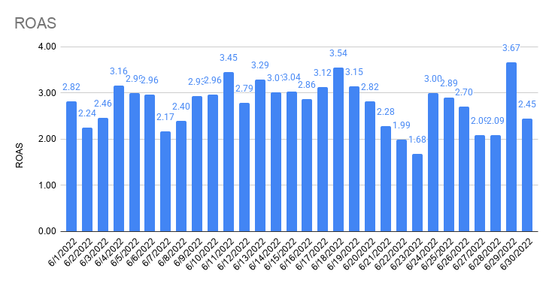
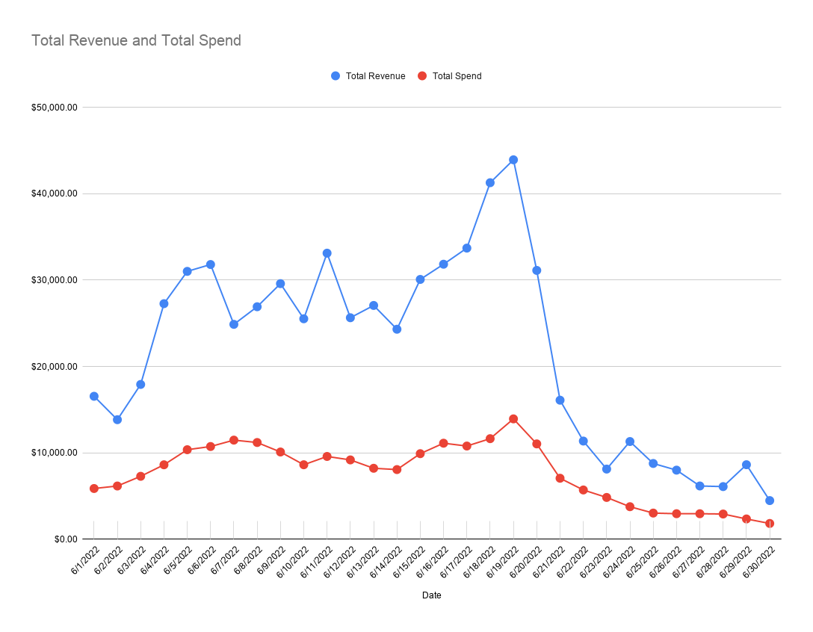

Total Revenue and Total Spend

Attribution
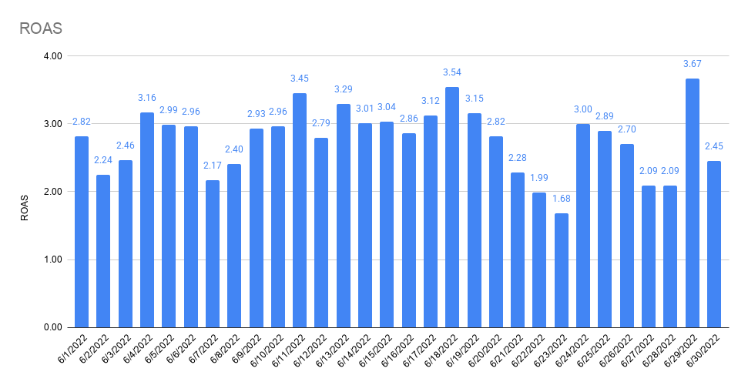
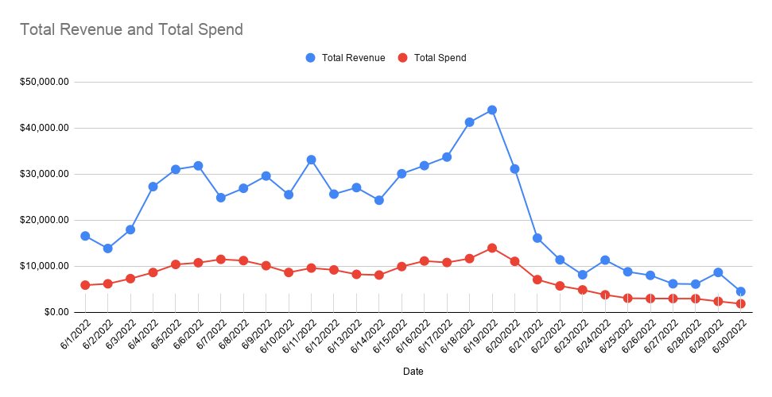
 | 6/1/2022 | 6/2/2022 | 6/3/2022 | 6/4/2022 | 6/5/2022 | 6/6/2022 | 6/7/2022 | 6/8/2022 | 6/9/2022 | 6/10/2022 | 6/11/2022 | 6/12/2022 | 6/13/2022 | 6/14/2022 | 6/15/2022 | 6/16/2022 | 6/17/2022 | 6/18/2022 | 6/19/2022 | 6/20/2022 | 6/21/2022 | 6/22/2022 | 6/23/2022 | 6/24/2022 | 6/25/2022 | 6/26/2022 | 6/27/2022 | 6/28/2022 | 6/29/2022 | 6/30/2022
 | WED | THU | FRI | SAT | SUN | MON | TUE | WED | THU | FRI | SAT | SUN | MON | TUE | WED | THU | FRI | SAT | SUN | MON | TUE | WED | THU | FRI | SAT | SUN | MON | TUE | WED | THU
FB Orders | 20 | 19 | 24 | 27 | 48 | 65 | 64 | 51 | 43 | 31 | 40 | 59 | 54 | 32 | 44 | 34 | 45 | 59 | 75 | 60 | 59 | 23 | 15 | 16 | 14 | 9 | 11 | 11 | 9 | 5
All Orders | 58 | 47 | 60 | 91 | 109 | 111 | 87 | 94 | 103 | 89 | 113 | 89 | 98 | 86 | 105 | 113 | 118 | 144 | 158 | 108 | 55 | 38 | 26 | 32 | 26 | 24 | 21 | 21 | 23 | 14
% Attributed to FB (Ads Manager) | 34% | 40% | 40% | 30% | 44% | 59% | 74% | 54% | 42% | 35% | 35% | 66% | 55% | 37% | 42% | 30% | 38% | 41% | 47% | 56% | 107% | 61% | 58% | 50% | 54% | 38% | 52% | 52% | 39% | 36%

Attribution

Notes

FB Orders (Shopify) | 20 | 19 | 24 | 27 | 48 | 65 | 64 | 51 | 43 | 31 | 40 | 59 | 54 | 32 | 44 | 34 | 45 | 59 | 75 | 60 | 59 | 23 | 15 | 16 | 14 | 9 | 11 | 11 | 9 | 5

FB Offline Conversions (Shopify) | 0 | 0 | 0 | 0 | 0 | 0 | 0 | 0 | 0 | 0 | 0 | 0 | 0 | 0 | 0 | 0 | 0 | 0 | 0 | 0 | 0 | 0 | 0 | 0 | 0 | 0 | 0 | 0 | 0 | 0
% difference | 0.00% | 0.00% | 0.00% | 0.00% | 0.00% | 0.00% | 0.00% | 0.00% | 0.00% | 0.00% | 0.00% | 0.00% | 0.00% | 0.00% | 0.00% | 0.00% | 0.00% | 0.00% | 0.00% | 0.00% | 0.00% | 0.00% | 0.00% | 0.00% | 0.00% | 0.00% | 0.00% | 0.00% | 0.00% | 0.00%

GA (UTM: fb-paid) Orders (Shopify) | 15 | 17 | 18 | 44 | 56 | 43 | 37 | 29 | 34 | 25 | 38 | 25 | 25 | 27 | 20 | 38 | 39 | 51 | 51 | 32 | 14 | 9 | 11 | 7 | 11 | 10 | 7 | 7 | 3 | 4
% difference | 75.00% | 89.47% | 75.00% | 162.96% | 116.67% | 66.15% | 57.81% | 56.86% | 79.07% | 80.65% | 95.00% | 42.37% | 46.30% | 84.38% | 45.45% | 111.76% | 86.67% | 86.44% | 68.00% | 53.33% | 23.73% | 39.13% | 73.33% | 43.75% | 78.57% | 111.11% | 63.64% | 63.64% | 33.33% | 80.00%

Social Orders (Shopify) | 22 | 21 | 12 | 21 | 26 | 24 | 25 | 16 | 25 | 16 | 29 | 16 | 8 | 13 | 0 | 18 | 25 | 28 | 28 | 17 | 11 | 7 | 10 | 8 | 12 | 10 | 8 | 6 | 2 | 5
% difference | 110.00% | 110.53% | 50.00% | 77.78% | 54.17% | 36.92% | 39.06% | 31.37% | 58.14% | 51.61% | 72.50% | 27.12% | 14.81% | 40.63% | 0.00% | 52.94% | 55.56% | 47.46% | 37.33% | 28.33% | 0.00% | 30.43% | 66.67% | 50.00% | 85.71% | 111.11% | 72.73% | 54.55% | 22.22% | 100.00%

Shopify (All) | 58 | 47 | 60 | 91 | 109 | 111 | 87 | 94 | 103 | 89 | 113 | 89 | 98 | 86 | 105 | 113 | 118 | 144 | 158 | 108 | 55 | 38 | 26 | 32 | 26 | 24 | 21 | 21 | 23 | 14

GA (Shopify) | 53 | 42 | 60 | 88 | 102 | 109 | 87 | 86 | 101 | 85 | 109 | 83 | 95 | 82 | 99 | 110 | 116 | 139 | 154 | 106 | 52 | 34 | 26 | 30 | 24 | 22 | 21 | 20 | 23 | 14
% difference | 91.38% | 89.36% | 100.00% | 96.70% | 93.58% | 98.20% | 100.00% | 91.49% | 98.06% | 95.51% | 96.46% | 93.26% | 96.94% | 95.35% | 94.29% | 97.35% | 98.31% | 96.53% | 97.47% | 98.15% | 94.55% | 89.47% | 100.00% | 93.75% | 92.31% | 91.67% | 100.00% | 95.24% | 100.00% | 100.00%

PP Survey (All) Order Views | 65 | 48 | 62 | 96 | 109 | 112 | 89 | 90 | 102 | 88 | 112 | 90 | 99 | 83 | 106 | 114 | 119 | 143 | 157 | 114 | 54 | 39 | 26 | 33 | 27 | 24 | 21 | 20 | 23 | 13
% difference | 112.07% | 102.13% | 103.33% | 105.49% | 100.00% | 100.90% | 102.30% | 95.74% | 99.03% | 98.88% | 99.12% | 101.12% | 101.02% | 96.51% | 100.95% | 100.88% | 100.85% | 99.31% | 99.37% | 105.56% | 98.18% | 102.63% | 100.00% | 103.13% | 103.85% | 100.00% | 100.00% | 95.24% | 100.00% | 92.86%

Facebook Attribution
Conversion value by channel | 5,083.93 | 4,908.40 | 5,757.14 | 6,173.82 | 11,806.96 | 16,421.38 | 15,384.16 | 12,556.19 | 11,163.20 | 8,009.93 | 9,486.15 | 14,330.36 | 13,370.32 | 7,962.98 | 10,653.55 | 8,936.20 | 10,979.90 | 14,457.39 | 18,026.63 | 15,150.02 | 14,151.74 | 6,601.91 | 3,932.37 | 4,451.32 | 3,657.38 | 1,946.16 | 2,795.76 | 2,795.76 | 2,284.73 | 1,188.49
FB CV | $5,869.19 | $5,666.55 | $6,646.39 | $7,127.43 | $13,630.66 | $18,957.83 | $17,760.40 | $14,495.62 | $12,887.47 | $9,247.14 | $10,951.38 | $16,543.83 | $15,435.50 | $9,192.94 | $12,299.10 | $10,316.49 | $12,675.86 | $16,690.48 | $20,811.02 | $17,490.09 | $16,337.62 | $7,621.64 | $4,539.76 | $5,138.87 | $4,222.30 | $2,246.76 | $3,227.59 | $3,227.59 | $2,637.63 | $1,372.06
GA UTM CV | $4,921.69 | $5,164.41 | $5,460.87 | $13,387.79 | $16,072.54 | $12,006.92 | $10,977.26 | $8,515.74 | $9,681.52 | $8,013.43 | $11,580.00 | $7,648.25 | $7,183.24 | $7,781.11 | $5,646.73 | $11,495.85 | $11,768.98 | $14,970.28 | $14,325.71 | $9,184.43 | $4,168.89 | $2,643.91 | $3,634.66 | $2,232.64 | $3,435.48 | $3,130.68 | $2,183.52 | $2,026.78 | $1,041.56 | $1,629.82
TW CV | $5,747.12 | $6,098.26 | $7,258.19 | $15,462.00 | $19,245.14 | $16,828.75 | $13,059.37 | $11,936.47 | $13,241.41 | $10,024.41 | $15,259.73 | $11,147.25 | $10,638.93 | $11,350.12 | $8,927.63 | $13,427.45 | $15,137.93 | $20,671.54 | $20,106.31 | $14,269.58 | $6,297.78 | $3,759.74 | $4,155.47 | $4,139.39 | $4,010.54 | $3,401.68 | $2,183.52 | $2,012.64 | $1,931.19 | $1,629.82
Overall CV | $16,551.93 | $13,842.44 | $17,923.02 | $27,273.62 | $31,011.44 | $31,806.42 | $24,878.67 | $26,917.42 | $29,591.37 | $25,525.13 | $33,120.11 | $25,644.88 | $27,066.97 | $24,313.52 | $30,080.25 | $31,840.34 | $33,705.73 | $41,276.04 | $43,928.66 | $31,125.20 | $16,098.76 | $11,369.08 | $8,125.18 | $11,314.42 | $8,774.29 | $8,001.41 | $6,168.26 | $6,096.99 | $8,630.44 | $4,477.47

Orders by channel
FB OR | 20 | 19 | 24 | 27 | 48 | 65 | 64 | 51 | 43 | 31 | 40 | 59 | 54 | 32 | 44 | 34 | 45 | 59 | 75 | 60 | 59 | 23 | 15 | 16 | 14 | 9 | 11 | 11 | 9 | 5
GA UTM OR | 15 | 17 | 18 | 44 | 56 | 43 | 37 | 29 | 34 | 25 | 38 | 25 | 25 | 27 | 20 | 38 | 39 | 51 | 51 | 32 | 14 | 9 | 11 | 7 | 11 | 10 | 7 | 7 | 3 | 4
TW OR | 17 | 20 | 23 | 49 | 63 | 50 | 45 | 41 | 46 | 32 | 48 | 35 | 32 | 34 | 28 | 44 | 47 | 67 | 64 | 44 | 18 | 12 | 12 | 10 | 12 | 10 | 7 | 6 | 5 | 4
Overall OR | 58 | 47 | 60 | 91 | 109 | 111 | 87 | 94 | 103 | 89 | 113 | 89 | 98 | 86 | 105 | 113 | 118 | 144 | 158 | 108 | 55 | 38 | 26 | 32 | 26 | 24 | 21 | 21 | 23 | 14

Attribution % by channel (CV) | 6/1/2022 | 6/2/2022 | 6/3/2022 | 6/4/2022 | 6/5/2022 | 6/6/2022 | 6/7/2022 | 6/8/2022 | 6/9/2022 | 6/10/2022 | 6/11/2022 | 6/12/2022 | 6/13/2022 | 6/14/2022 | 6/15/2022 | 6/16/2022 | 6/17/2022 | 6/18/2022 | 6/19/2022 | 6/20/2022 | 6/21/2022 | 6/22/2022 | 6/23/2022 | 6/24/2022 | 6/25/2022 | 6/26/2022 | 6/27/2022 | 6/28/2022 | 6/29/2022 | 6/30/2022
Difference FB / Overall | 35.46% | 40.94% | 37.08% | 26.13% | 43.95% | 59.60% | 71.39% | 53.85% | 43.55% | 36.23% | 33.07% | 64.51% | 57.03% | 37.81% | 40.89% | 32.40% | 37.61% | 40.44% | 47.37% | 56.19% | 101.48% | 67.04% | 55.87% | 45.42% | 48.12% | 28.08% | 52.33% | 52.94% | 30.56% | 30.64%
Difference GA UTM / Overall | 29.73% | 37.31% | 30.47% | 49.09% | 51.83% | 37.75% | 44.12% | 31.64% | 32.72% | 31.39% | 34.96% | 29.82% | 26.54% | 32.00% | 18.77% | 36.10% | 34.92% | 36.27% | 32.61% | 29.51% | 25.90% | 23.26% | 44.73% | 19.73% | 39.15% | 39.13% | 35.40% | 33.24% | 12.07% | 36.40%
Difference TW / Overall | 34.72% | 44.05% | 40.50% | 56.69% | 62.06% | 52.91% | 52.49% | 44.34% | 44.75% | 39.27% | 46.07% | 43.47% | 39.31% | 46.68% | 29.68% | 42.17% | 44.91% | 50.08% | 45.77% | 45.85% | 39.12% | 33.07% | 51.14% | 36.59% | 45.71% | 42.51% | 35.40% | 33.01% | 22.38% | 36.40%

Attribution % by channel (OR) | 6/1/2022 | 6/2/2022 | 6/3/2022 | 6/4/2022 | 6/5/2022 | 6/6/2022 | 6/7/2022 | 6/8/2022 | 6/9/2022 | 6/10/2022 | 6/11/2022 | 6/12/2022 | 6/13/2022 | 6/14/2022 | 6/15/2022 | 6/16/2022 | 6/17/2022 | 6/18/2022 | 6/19/2022 | 6/20/2022 | 6/21/2022 | 6/22/2022 | 6/23/2022 | 6/24/2022 | 6/25/2022 | 6/26/2022 | 6/27/2022 | 6/28/2022 | 6/29/2022 | 6/30/2022
Difference FB / Overall | 34.48% | 40.43% | 40.00% | 29.67% | 44.04% | 58.56% | 73.56% | 54.26% | 41.75% | 34.83% | 35.40% | 66.29% | 55.10% | 37.21% | 41.90% | 30.09% | 38.14% | 40.97% | 47.47% | 55.56% | 107.27% | 60.53% | 57.69% | 50.00% | 53.85% | 37.50% | 52.38% | 52.38% | 39.13% | 35.71%
Difference GA UTM / Overall | 25.86% | 36.17% | 30.00% | 48.35% | 51.38% | 38.74% | 42.53% | 30.85% | 33.01% | 28.09% | 33.63% | 28.09% | 25.51% | 31.40% | 19.05% | 33.63% | 33.05% | 35.42% | 32.28% | 29.63% | 25.45% | 23.68% | 42.31% | 21.88% | 42.31% | 41.67% | 33.33% | 33.33% | 13.04% | 28.57%
Difference TW / Overall | 29.31% | 42.55% | 38.33% | 53.85% | 57.80% | 45.05% | 51.72% | 43.62% | 44.66% | 35.96% | 42.48% | 39.33% | 32.65% | 39.53% | 26.67% | 38.94% | 39.83% | 46.53% | 40.51% | 40.74% | 32.73% | 31.58% | 46.15% | 31.25% | 46.15% | 41.67% | 33.33% | 28.57% | 21.74% | 28.57%

ROAS by channel | 6/1/2022 | 6/2/2022 | 6/3/2022 | 6/4/2022 | 6/5/2022 | 6/6/2022 | 6/7/2022 | 6/8/2022 | 6/9/2022 | 6/10/2022 | 6/11/2022 | 6/12/2022 | 6/13/2022 | 6/14/2022 | 6/15/2022 | 6/16/2022 | 6/17/2022 | 6/18/2022 | 6/19/2022 | 6/20/2022 | 6/21/2022 | 6/22/2022 | 6/23/2022 | 6/24/2022 | 6/25/2022 | 6/26/2022 | 6/27/2022 | 6/28/2022 | 6/29/2022 | 6/30/2022
FB ROAS | 1.09 | 1.01 | 0.98 | 0.89 | 1.40 | 1.95 | 1.68 | 1.43 | 1.42 | 1.20 | 1.32 | 2.10 | 2.17 | 1.42 | 1.52 | 1.06 | 1.32 | 1.61 | 1.66 | 1.74 | 2.74 | 1.67 | 1.26 | 1.67 | 1.53 | 0.84 | 1.20 | 1.20 | 1.22 | 0.85
GA UTM ROAS | 0.91 | 0.92 | 0.80 | 1.66 | 1.65 | 1.23 | 1.04 | 0.84 | 1.07 | 1.04 | 1.39 | 0.97 | 1.01 | 1.20 | 0.70 | 1.18 | 1.23 | 1.44 | 1.15 | 0.92 | 0.70 | 0.58 | 1.01 | 0.72 | 1.24 | 1.17 | 0.81 | 0.75 | 0.48 | 1.01
TW ROAS | 1.06 | 1.08 | 1.07 | 1.92 | 1.97 | 1.73 | 1.23 | 1.18 | 1.46 | 1.31 | 1.84 | 1.42 | 1.50 | 1.75 | 1.10 | 1.38 | 1.58 | 1.99 | 1.61 | 1.42 | 1.06 | 0.83 | 1.15 | 1.34 | 1.45 | 1.28 | 0.81 | 0.75 | 0.90 | 1.01
Overall ROAS | 2.82 | 2.24 | 2.46 | 3.16 | 2.99 | 2.96 | 2.17 | 2.40 | 2.93 | 2.96 | 3.45 | 2.79 | 3.29 | 3.01 | 3.04 | 2.86 | 3.12 | 3.54 | 3.15 | 2.82 | 2.28 | 1.99 | 1.68 | 3.00 | 2.89 | 2.70 | 2.09 | 2.09 | 3.67 | 2.45

CAC by channel | 6/1/2022 | 6/2/2022 | 6/3/2022 | 6/4/2022 | 6/5/2022 | 6/6/2022 | 6/7/2022 | 6/8/2022 | 6/9/2022 | 6/10/2022 | 6/11/2022 | 6/12/2022 | 6/13/2022 | 6/14/2022 | 6/15/2022 | 6/16/2022 | 6/17/2022 | 6/18/2022 | 6/19/2022 | 6/20/2022 | 6/21/2022 | 6/22/2022 | 6/23/2022 | 6/24/2022 | 6/25/2022 | 6/26/2022 | 6/27/2022 | 6/28/2022 | 6/29/2022 | 6/30/2022
FB CAC | $269.95 | $296.71 | $282.82 | $298.16 | $203.24 | $149.75 | $165.53 | $198.11 | $211.38 | $247.74 | $207.65 | $133.25 | $131.44 | $202.97 | $184.45 | $286.28 | $212.61 | $175.84 | $166.70 | $167.10 | $101.13 | $197.93 | $239.99 | $192.50 | $197.24 | $296.24 | $244.15 | $244.31 | $239.45 | $323.97
GA UTM CAC | $359.93 | $331.62 | $377.09 | $182.96 | $174.20 | $226.36 | $286.33 | $348.40 | $267.33 | $307.20 | $218.58 | $314.47 | $283.91 | $240.56 | $405.79 | $256.14 | $245.31 | $203.42 | $245.14 | $313.32 | $426.17 | $505.83 | $327.26 | $439.99 | $251.03 | $266.61 | $383.66 | $383.92 | $718.35 | $404.96
TW CAC | $317.59 | $281.87 | $295.12 | $164.29 | $154.85 | $194.67 | $235.42 | $246.43 | $197.59 | $240.00 | $173.04 | $224.62 | $221.81 | $191.03 | $289.85 | $221.21 | $203.56 | $154.84 | $195.35 | $227.87 | $331.47 | $379.37 | $299.99 | $307.99 | $230.11 | $266.61 | $383.66 | $447.91 | $431.01 | $404.96
Overall CAC | $101.30 | $131.19 | $121.47 | $94.74 | $95.11 | $96.73 | $131.92 | $119.16 | $98.09 | $96.92 | $84.84 | $103.22 | $83.87 | $93.80 | $94.37 | $98.41 | $91.46 | $80.87 | $88.21 | $102.22 | $128.43 | $150.16 | $186.19 | $117.80 | $116.62 | $123.26 | $140.75 | $139.16 | $102.22 | $130.63

ROAS by channel
CAC by channel

Attribution % by channel (CV)
Attribution % by channel (OR)

